Calculation
 |  |  |  |  |  |  |  |  |  |  |  |  |  |  |  |  |  |  |  |  |  |  |  |  |  |  |  |  |  |  |  |  |  |  |  | COMPUTATION SHEET | Page:
 |  |  |  |  |  |  |  |  |  |  |  |  |  |  |  |  |  |  |  |  |  |  |  |  |  |  |  |  |  |  |  |  |  |  |  |  | Originator: |  | TG
 |  |  |  |  |  |  |  |  |  |  |  |  |  |  |  |  |  |  |  |  |  |  |  |  |  |  |  |  |  |  |  |  |  |  |  |  | Date: |  | 10/10/26
Project Name: |  | North Connector Bridge |  |  |  |  |  |  |  |  |  |  |  |  |  |  |  |  |  |  |  |  |  |  |  |  |  |  |  |  |  |  |  |  |  |  | Checker: |  | SB
Project No.: |  | 408545 |  |  |  |  |  |  |  |  |  |  |  |  |  |  |  |  |  |  |  |  |  |  |  |  |  |  |  |  |  |  |  |  |  |  | Date: |  | 3/10/26
Section: |  | C.1 Design of Anchor Zone |  |  |  |  |  |  |  |  |  |  |  |  |  |  |  |  |  |  |  |  |  |  |  |  |  |  |  |  |  |  |  |  |  |  | Revision No.: |  | 1

C.1 End Block Design
 |  |  |  |  |  |  |  |  |  |  |  |  |  |  |  |  |  |  |  |  |  |  |  |  |  |  |  |  |  |  |  |  |  |  |  |  |  | Equation or Reference
 | 1 | Introduction

 |  | This calculation presents the design of the end block (anchorage zone) for a post‑tensioned multicell concrete box girder bridge, in accordance with the AASHTO LRFD Bridge Design Specifications, 10th Edition. The end block is required to safely transfer the highly concentrated post‑tensioning anchorage forces into the bridge superstructure while maintaining acceptable concrete stresses and providing adequate reinforcement to resist tensile splitting and bursting forces. Within the anchorage zone, the standard assumption that plane sections remain plane is not valid due to the nonlinear stress flow caused by the concentrated prestressing forces. Accordingly, this calculation evaluates the anchorage zone using the strut‑and‑tie modeling approach, which is explicitly permitted by AASHTO LRFD for disturbed regions (D‑regions) and is well suited for complex stress distributions occurring near prestressing anchorages. The analysis includes:

 |  |  | • | Geometric definition of the local zone, general zone, and overall anchorage zone,
 |  |  | • | Determination of section properties at the end of the anchorage zone accounting for web flaring,
 |  |  | • | Resolution of post‑tensioning forces into horizontal and vertical components,
 |  |  | • | Evaluation of stress distributions and corresponding forces in the top slab, webs, fillets, and bottom slab,
 |  |  | • | Construction and solution of strut‑and‑tie models for the anchorage zone, top slab, and bottom slab,
 |  |  | • | Design checks for bursting reinforcement, spalling reinforcement, and concrete compressive stresses.

 |  | This calculation is implemented in a spreadsheet format intended to provide a transparent, traceable, and repeatable design procedure consistent with established AASHTO LRFD examples and commonly accepted bridge engineering practice.

 | 1.1. |  |  | Design Limitations

 |  |  |  | The design methodology and spreadsheet are subject to the following limitations:

 |  |  |  | 1 |  | Assumed Tendon Geometry Near Anchorage
 |  |  |  |  |  | Tendons are assumed to be straight near the anchorage device, consistent with post‑tensioning hardware and trumpet geometry. Parabolic or deviated tendon behavior beyond the anchorage zone is not considered in this portion of the analysis.

 |  |  |  | 2 |  | Local Zone Concrete Capacity
 |  |  |  |  |  | Concrete stresses within the local zone immediately ahead of the anchorage device are not checked in detail. It is assumed that anchorage hardware, confining reinforcement, and testing provided by the post‑tensioning system supplier satisfy AASHTO requirements. Concrete stress checks are performed only at the local zone / general zone interface and at critical geometric discontinuities.

 |  |  |  | 3 |  | Simplified Slab Distribution Assumptions
 |  |  |  |  |  | For the top and bottom slabs, simplified load distribution assumptions are used to generate the strut‑and‑tie models. Full elasticity‑based slab behavior is not evaluated. The bottom slab model specifically assumes non‑uniform distribution due to the sloped exterior web and absence of a bottom cantilever.

 |  |  |  | 4 |  | Material Behavior
 |  |  |  |  |  | Reinforcing steel is assumed to behave elastically up to yield with yielding permitted in tension ties. Concrete is assumed to remain uncracked in compression struts. Long‑term effects such as creep, shrinkage, relaxation, and time‑dependent redistribution of stresses are not directly evaluated.

 |  |  |  | 5 |  | Bridge Configuration
 |  |  |  |  |  | The spreadsheet is formulated for multicell box girders with flared webs and discrete anchorage groupings. Application to significantly different geometries, atypical anchorage layouts, or external post‑tensioning systems may require modification of the model.

 | 1.2. |  |  | Selection of Strut‑and‑Tie Method

 |  |  |  | The strut‑and‑tie method was selected over refined elastic stress analysis and approximate methods because it more accurately represents the force flow in the anchorage region of box girders. Approximate methods may not adequately capture the I‑shaped behavior of the cross section, while refined elastic analyses can become unnecessarily complex for routine bridge design. For slab strut‑and‑tie models, a complete nodal equilibrium solution is not performed. Instead, free‑body diagrams and moment equilibrium are used to determine critical tension tie forces. This approach is consistent with the referenced LRFD example and provides sufficient accuracy for reinforcement design while maintaining calculation efficiency.

 | 1.3. |  |  | Definition of Local / General Zones and Concrete Stress Checks

 |  |  |  | Local zone dimensions are based on anchorage hardware and confining reinforcement requirements, while the general zone is governed by the maximum depth or width of the section. The chosen lengths are consistent with AASHTO LRFD limits. Several simplifications—such as assuming uniform distribution at the end of the general zone and using widened web dimensions—introduce conservatism into the design. Concrete stress limits are evaluated using factored prestressing forces and resistance factors appropriate for anchorage zones. The stress‑spreading assumption of a 1:3 slope is used to assess stresses at the local/general zone interface and at the diaphragm discontinuity, providing a conservative but practical approach.

 | 2 | Notation

 |  | The nomenclature used throughout this calculation tool is described in this section.

 | 2.1. |  |  | Description of Variables

 |  |  | Aps = | aera of strand (in.2) |  |  |  |  |  |  |  |  |  |  |  |  | Lbs = | beginning of strands bending counting from bearing CL (in.) |  |  |  |  |  |  |  |  |  |  |  | Sw = | section width (in.)
 |  |  | As.prov = | provided aera of reinforcement (in.2) |  |  |  |  |  |  |  |  |  |  |  |  | LCL_e = | distance from CL of edge of bottom slab to end of slab (in.) |  |  |  |  |  |  |  |  |  |  |  | ts = | general zone stress distribution at upper edge on top flange (ksi)
 |  |  | As.req = | required aera of reinforcement (in.2) |  |  |  |  |  |  |  |  |  |  |  |  | LCL1 = | front of diaphragm to CL of bridge abutment (in.) |  |  |  |  |  |  |  |  |  |  |  | tbs = | general zone stress distribution at bottom edge on top flange (ksi)
 |  |  | bs = | general zone stress distribution at bttom edge on bottom flange (ksi) |  |  |  |  |  |  |  |  |  |  |  |  | LCL2 = | back of diaphragm to CL of bridge abutment (in.) |  |  |  |  |  |  |  |  |  |  |  | TWfw = | total web flare width (in.)
 |  |  | bw1 = | width of web at the begin of it flare (in.) |  |  |  |  |  |  |  |  |  |  |  |  | Lds = | top slab width (in.) |  |  |  |  |  |  |  |  |  |  |  | U = | uniform load at top slab (kip-in.)
 |  |  | bw2 = | width of web at the end of it flare (in.) |  |  |  |  |  |  |  |  |  |  |  |  | Le_CL = | distance from edge of bottom slab to CL of exterior web (in.) |  |  |  |  |  |  |  |  |  |  |  | Wext = | exterior uniform load at bottom slab (kip-in.)
 |  |  | CGBS = | bottom slab center of gravity (in.) |  |  |  |  |  |  |  |  |  |  |  |  | LF = | web flare length (in.) |  |  |  |  |  |  |  |  |  |  |  | Wew/2 = | half of exterior web width taken parallel to slab (in.)
 |  |  | CGFE = | exterior fillets center of gravity (in.) |  |  |  |  |  |  |  |  |  |  |  |  | LGz = | length of general zone (same as anchorage zone) (in.) |  |  |  |  |  |  |  |  |  |  |  | Wf_int = | interior fillet width (in.)
 |  |  | CGFI = | interior fillets center of gravity (in.) |  |  |  |  |  |  |  |  |  |  |  |  | LLz = | length of local zone (in.) |  |  |  |  |  |  |  |  |  |  |  | Wfw = | web flare width (in.)
 |  |  | CGOFW = | overhang, fillets, and web center of gravity (in.) |  |  |  |  |  |  |  |  |  |  |  |  | Loh = | overhang width (in.) |  |  |  |  |  |  |  |  |  |  |  | Wint = | interior uniform load at bottom slab (kip-in.)
 |  |  | CGOH = | overhang center of gravity (in.) |  |  |  |  |  |  |  |  |  |  |  |  | Ls = | span length (in.) |  |  |  |  |  |  |  |  |  |  |  | Wlz = | maximum width of local zone (in.)
 |  |  | CGTen = | tendon center of gravity spacing (in.) |  |  |  |  |  |  |  |  |  |  |  |  | mI = | moment of interia (in.4) |  |  |  |  |  |  |  |  |  |  |  | XB = | stirrup size for bursting
 |  |  | CGTS = | top slab center of gravity (in.) |  |  |  |  |  |  |  |  |  |  |  |  | NB = | number of bursting stirrups (No.) |  |  |  |  |  |  |  |  |  |  |  | XB1 = | bottom slab zone 1 transverse rebar size
 |  |  | CGW = | web center of gravity (in.) |  |  |  |  |  |  |  |  |  |  |  |  | NB1 = | number of bottom slab zone 1 transverse rebars (No.) |  |  |  |  |  |  |  |  |  |  |  | XS = | reinforcing size for spalling
 |  |  | D = | distance between the local zone and the edge of diaphragm (in.) |  |  |  |  |  |  |  |  |  |  |  |  | NBT = | number of strands in bottom tendon (No.) |  |  |  |  |  |  |  |  |  |  |  | XT1 = | top slab zone 1 transverse rebar size
 |  |  | Dbs = | minimum distance from bottom slab to CL of strands at midspan (in.) |  |  |  |  |  |  |  |  |  |  |  |  | Nobun_Bott = | number of bundle bars (No.) |  |  |  |  |  |  |  |  |  |  |  | XT2 = | top slab zone 2 transverse rebar size
 |  |  | egenzone = | eccentricity at the end of anchorage zone (in.) |  |  |  |  |  |  |  |  |  |  |  |  | Nobun_Top_f = | number of bundle bars in zone 1 (No.) |  |  |  |  |  |  |  |  |  |  |  | ybf = | distance to bottom fiber from neutral axis (in.)
 |  |  | fci_ED = | concrete stresses at the end of diaphragm (ksi) |  |  |  |  |  |  |  |  |  |  |  |  | Nobun_Top_s = | number of bundle bars in zone 2 (No.) |  |  |  |  |  |  |  |  |  |  |  | yb2.9 = | distance of straight strands near the anchorage device (in.)
 |  |  | fci_L.G = | concrete stresses at the local/general zone (ksi) |  |  |  |  |  |  |  |  |  |  |  |  | No.str = | number of strands (No.) |  |  |  |  |  |  |  |  |  |  |  | ytf = | distance to top fiber from neutral axis (in.)
 |  |  | f'ci = | final concrete strength (ksi) |  |  |  |  |  |  |  |  |  |  |  |  | NS = | number of spalling bars (No.) |  |  |  |  |  |  |  |  |  |  |  | α = | angle of anchorage device (deg)
 |  |  | fpu = | tensile strength (ksi) |  |  |  |  |  |  |  |  |  |  |  |  | NT1 = | number of top slab zone 1 transverse rebar (No.) |  |  |  |  |  |  |  |  |  |  |  | β = | angle at which exterior web is placed (deg)
 |  |  | fis = | general zone stress distribution on fillet (ksi) |  |  |  |  |  |  |  |  |  |  |  |  | NT2 = | number of top slab zone 2 trans rebar (No.) |  |  |  |  |  |  |  |  |  |  |  | ϕc = | resistance factor for compressive concrete in anch zone (-)
 |  |  | fy = | steel yield strength (ksi) |  |  |  |  |  |  |  |  |  |  |  |  | NTT = | number of strands in top tendon (No.) |  |  |  |  |  |  |  |  |  |  |  | ϕt = | resistance factor for tensile rebar in anchorage zone (-)
 |  |  | hLZ = | local zone / general zone interface height (in.) |  |  |  |  |  |  |  |  |  |  |  |  | Nweb = | number of internal webs (No.)
 |  |  | Hbs = | bottom slab thickness (in.) |  |  |  |  |  |  |  |  |  |  |  |  | os = | general zone stress distribution on overhang (ksi)
 |  |  | Hf_ext = | exterior fillet thickness (in.) |  |  |  |  |  |  |  |  |  |  |  |  | Pu = | total jacking force (kips)
 |  |  | Hf_int = | interior fillet height (in.) |  |  |  |  |  |  |  |  |  |  |  |  | Puh = | horizontal total tendon force (kips)
 |  |  | Hl = | height of C. G. of assumed load (in.) |  |  |  |  |  |  |  |  |  |  |  |  | Puh_b = | horizontal bottom tendon force (kips)
 |  |  | H = | height of spread stresses at the end of diaphragm (in.) |  |  |  |  |  |  |  |  |  |  |  |  | Puh_t= | horizontal top tendon force (kips)
 |  |  | Ho = | overhang thickness (in.) |  |  |  |  |  |  |  |  |  |  |  |  | Puv = | vertical total tendon force (kips)
 |  |  | Hts = | Top Slab Thickness |  |  |  |  |  |  |  |  |  |  |  |  | Puv_b = | vertical bottom tendon force (kips)
 |  |  | Hw_ext = | exterior web thickness (in.) |  |  |  |  |  |  |  |  |  |  |  |  | Puv_t = | vertical top tendon force (kips)
 |  |  | LA = | bottom length of anchore blockout (in.) |  |  |  |  |  |  |  |  |  |  |  |  | Pweb = | force applied to each web (kips)
 |  |  | Lanchorage = | length of anchorage device confining reinforcement (in.) |  |  |  |  |  |  |  |  |  |  |  |  | Sa = | area of section (in.2)
 |  |  | Lb = | distance from face of the blockout to the bridge abutment CL (in.) |  |  |  |  |  |  |  |  |  |  |  |  | Sh = | section height (in.)
 |  |  | Lbf = | bottom slab width (in.) |  |  |  |  |  |  |  |  |  |  |  |  | ss = | general zone stress distribution on soffit (ksi)
 | 3 | Geometry Definitions

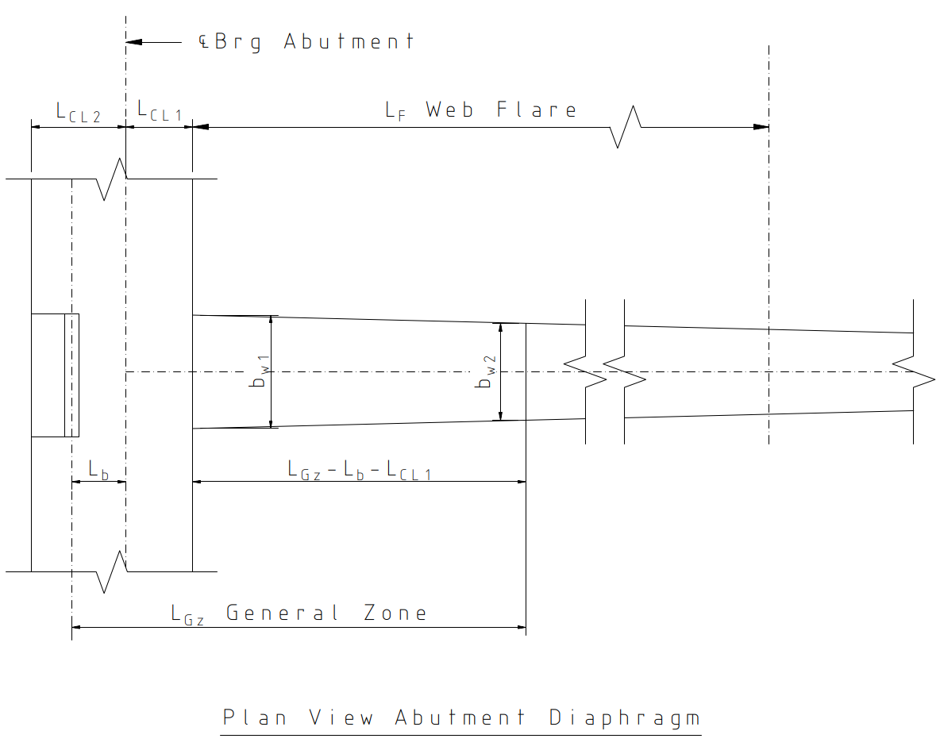
 |  |  |  |  |  |  |  |  |  |  |  |  | Number of internal webs, Nweb = | 4
 |  |  |  |  |  |  |  |  |  |  |  |  | Front of Diaphragm to CL of Bridge Abut, LCL1 = | 18.0 in
 |  |  |  |  |  |  |  |  |  |  |  |  | Back of Diaphragm to CL of Bridge Abut, LCL2 = | 24.0 in
 |  |  |  |  |  |  |  |  |  |  |  |  | Web Flare Length, LF = | 192.0 in
 |  |  |  |  |  |  |  |  |  |  |  |  | Beginning Web Flare Width, bw1 = | 18.0 in
 |  |  |  |  |  |  |  |  |  |  |  |  | Ending Web Flare Width, bw2 = | 12.0 in
 |  |  |  |  |  |  |  |  |  |  |  |  | Bottom Length of Anchore Blockout, LA = | 9.0 in
 |  |  |  |  |  |  |  |  |  |  |  |  | Angle at which exterior web is placed β = | 21.80°
 |  |  |  |  |  |  |  |  |  |  |  |  | Distance from Face of the Blockout to the Bridge Abutment CL Lb = | 13.5 in
 |  |  |  |  |  |  |  |  |  |  |  |  | Min Distance from Bottom Slab to CL of Strands at Midspan, Dbs = | 12.0 in
 |  |  |  |  |  |  |  |  |  |  |  |  | Beginning of Strands Bending counting from Bearing CL, Lbs = | 624.0 in
 |  |  |  |  |  |  |  |  |  |  |  |  | Span Length, Ls = | 1560.0 in
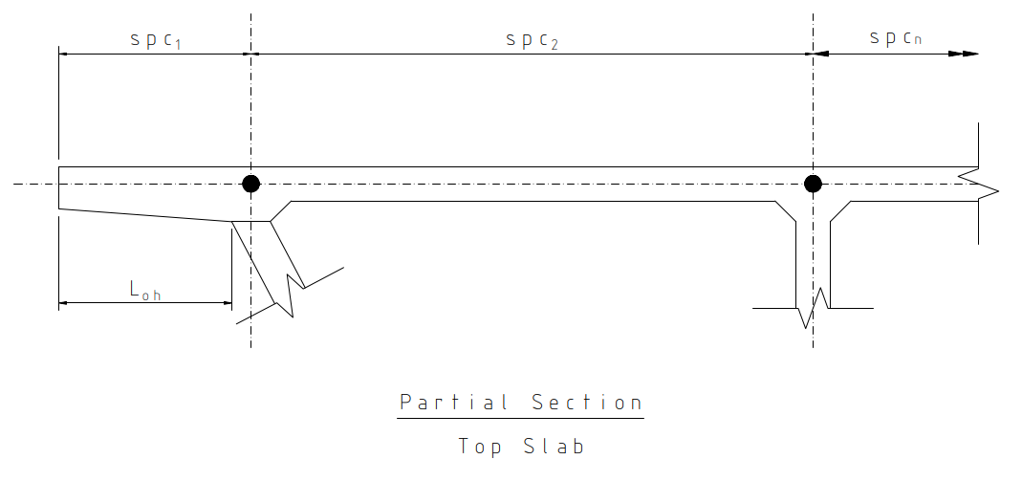
 |  |  |  |  |  |  |  |  |  |  |  |  | Top Slab Width, Lds = | 542.0 in
 |  |  |  |  |  |  |  |  |  |  |  |  | Top Slab Thickness, Hts = | 8.0 in
 |  |  |  |  |  |  |  |  |  |  |  |  | Bottom Slab Width, Lbf = | 436.0 in
 |  |  |  |  |  |  |  |  |  |  |  |  | Bottom Slab Thickness, Hbs = | 6.0 in
 |  |  |  |  |  |  |  |  |  |  |  |  | Overhang Thickness, Ho = | 9.0 in |  |  |  |  | Figure C.1-1: Plan View of Anchorage Zone
 |  |  |  |  |  |  |  |  |  |  |  |  | Overhang Width, Loh = | 31.5 in

 |  |  |  |  |  |  |  |  |  |  |  |  |  |  |  |  |  |  |  |  |  |  |  |  |  |  |  |  |  |  |  | Figure C.1-2: Top Slab Partial Section View
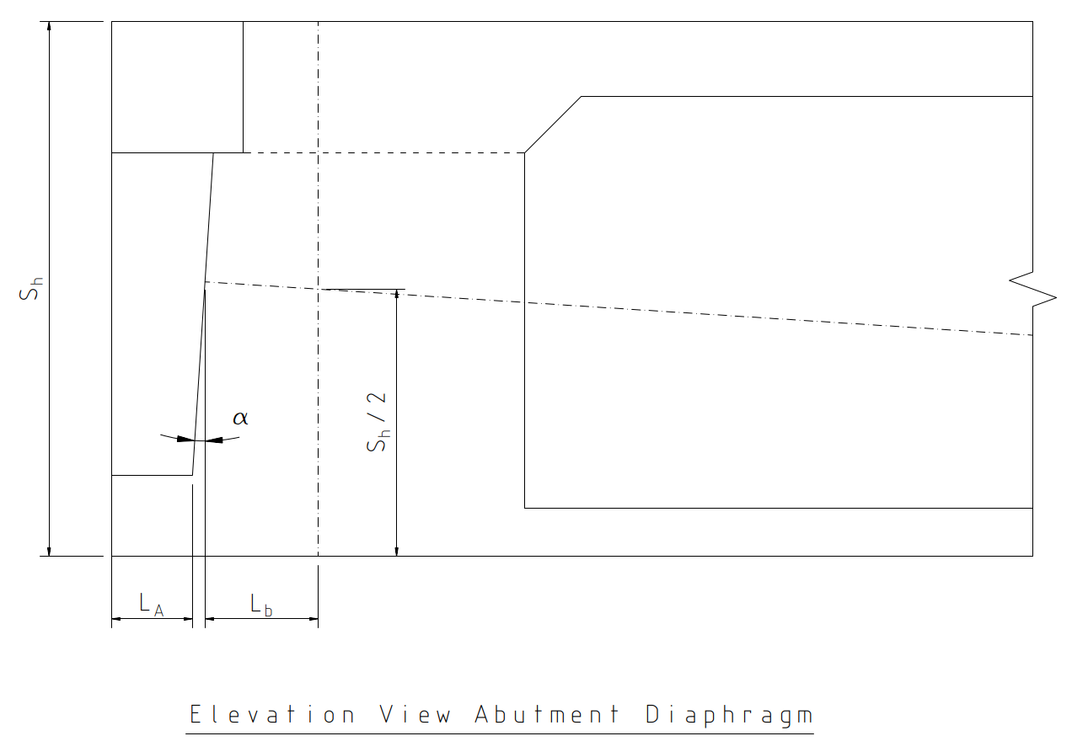

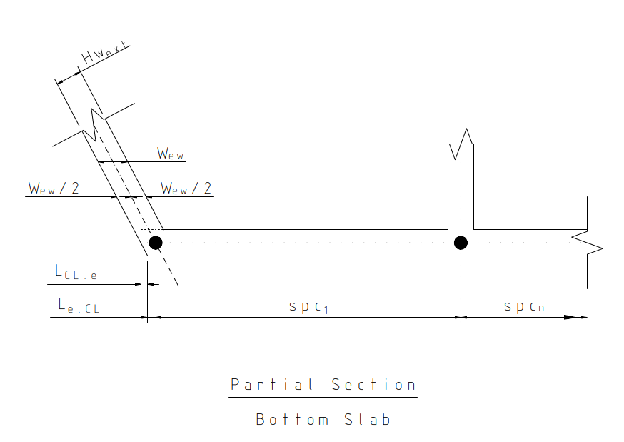

 |  | Figure C.1-3: Idealized Section at Anchorage Zone |  |  |  |  |  |  |  |  |  |  |  |  |  |  |  |  | Figure C.1-4: Elevation View of Anchorage Zone |  |  |  |  |  |  |  |  |  |  |  |  | Figure C.1-5: Bottom Slab Partial Section View

 | 4 | Anchorage Zones and Section Properties

 |  | This section defines the geometry required for analysis of the anchorage zone of the post‑tensioned multicell box girder. The anchorage zone is the region of the structure through which the concentrated prestressing forces introduced by the anchorage devices spread into a more uniform stress distribution across the section. Within this region, conventional beam theory assumptions are not valid, and the stress state must be evaluated using strut‑and‑tie principles. The anchorage zone is subdivided into the local zone and the general zone in accordance with AASHTO LRFD provisions. The local zone is defined as the region immediately surrounding the anchorage device and confining reinforcement, where high compressive stresses dominate. The general zone extends beyond the local zone and includes areas subjected to tensile stresses due to force dispersion and geometry changes. Accurate definition of these zones is required to establish the limits of stress checks and the regions where reinforcement design is governed by anchorage‑related forces. Section properties used in subsequent stress and force calculations are determined at the end of the anchorage zone, where stresses are assumed to be sufficiently distributed to permit classical sectional analysis. Due to the presence of flared webs and varying geometry in this region, section dimensions, area, centroidal distances, and moments of inertia are explicitly calculated rather than assumed constant. These properties form the basis for determining stress distributions, resultant forces in individual components of the cross section, and the inputs required for development of the strut‑and‑tie models used in later sections.

 | 4.1. |  |  | Anchorage Zone Parameters

 |  |  |  |  |  |  |  |  |  |  |  |  | Distance of Straight Strands near the anchorage device, yb2.9 = | 23.81 in
 |  |  |  |  |  |  |  |  |  |  |  |  | Angle of Anchorage Device, α = | 3.37°

 | 4.2 |  |  | Determine Local Zone Length

 |  |  |  |  |  |  |  |  |  |  |  |  | Maximum Width of Local Zone, Wlz = | 16.40 in |  |  |  |  |  |  |  |  |  |  |  |  |  |  |  |  |  |  |  |  |  |  |  |  |  | AASHTO 5.9.5.6.3
 |  |  |  |  |  |  |  |  |  |  |  |  | Length of Anchorage Device Confining Reinforcement, Lanchorage = | 15.00 in |  |  |  |  |  |  |  |  |  |  |  |  |  |  |  |  |  |  |  |  |  |  |  |  |  | AASHTO 5.8.4.4.1
 |  |  |  |  |  |  |  |  |  |  |  |  | Length of Local Zone, LLz = | 16.40 in |  |  |  |  |  |  |  |  |  |  |  |  |  |  |  |  |  |  |  |  |  |  |  |  |  | AASHTO 5.14.3

 | 4.3 |  |  | Determine General Zone Length

 |  |  |  |  |  |  |  |  |  |  |  |  | Section Height, Sh = | 66.00 in
 |  |  |  |  |  |  |  |  |  |  |  |  | Section Width, Sw = | 93.00 in
 |  |  |  |  |  |  |  |  |  |  |  |  | Length of General Zone (same as anchorage zone), LGz = | 93.00 in |  |  |  |  |  |  |  |  |  |  |  |  |  |  |  |  |  |  |  |  |  |  |  |  |  | AASHTO 5.9.5.6.5

 | 4.4 |  |  | Determine Section Properties

 |  |  |  |  |  |  |  |  |  |  |  |  | Web Flare Width, Wfw = | 16.08 in
 |  |  |  |  |  |  |  |  |  |  |  |  | Total Web Flare Width, TWfw = | 98.95 in
 |  |  |  |  |  |  |  |  |  |  |  |  | Area of section, Sa = | 12349.0 in²
 |  |  |  |  |  |  |  |  |  |  |  |  | Moment of Interia mI = | 7160048 in⁴
 |  |  |  |  |  |  |  |  |  |  |  |  | Distance to Bottom Fiber, ybf = | 36.83 in
 |  |  |  |  |  |  |  |  |  |  |  |  | Distance to Top Fiber, ytf = | 29.17 in

 | 5 | Anchor Zone Stresses

 |  | This section determines the stresses and resulting forces within the anchorage zone due to the factored post‑tensioning forces applied at the anchorage devices. At the end of the anchorage zone, stresses are assumed to be sufficiently distributed such that classical sectional analysis may be used to evaluate the stress state across the cross section, while equilibrium is maintained with the applied prestressing forces. The total factored prestressing force applied is resolved into horizontal and vertical components based on the assumed straight tendon geometry near the anchorage. These components are further distributed between the top and bottom tendons in proportion to the number of strands anchored at each location. The resulting forces represent the externally applied loads acting on the anchorage zone and serve as the basis for subsequent stress calculations. Using the section properties determined at the end of the anchorage zone, stresses are calculated along key interfaces of the cross section, including the top slab, overhang, fillets, web, and bottom slab. The stresses are computed assuming linear elastic behavior and are evaluated at distances measured from the centroid of the section to capture the effects of eccentricity in the applied prestressing force. The calculated stress distribution is then converted into resultant forces and centers of gravity for each component of the cross section. These forces are grouped into logical structural components—top slab, overhang, fillet, web, and bottom slab—so that equilibrium of the section can be verified and meaningful load paths can be established. The sum of these internal forces is checked against the externally applied prestressing forces to confirm global equilibrium. The forces and load resultants obtained in this section provide the required inputs for the strut‑and‑tie modeling performed in subsequent sections. These models are used to evaluate tensile force demands, design anchorage‑zone r

 | 5.1 |  |  | Determine External Loads

 |  |  |  |  |  |  |  |  |  |  |  |  | Number of Strands, No.str = | 200
 |  |  |  |  |  |  |  |  |  |  |  |  | Aera of Strand, Aps = | 0.22 in²
 |  |  |  |  |  |  |  |  |  |  |  |  | Tensile Strength, fpu = | 270 ksi
 |  |  |  |  |  |  |  |  |  |  |  |  | Total Jacking Force, Pu = | 10827 kips |  |  |  |  |  |  |  |  |  |  |  |  |  |  |  |  |  |  |  |  |  |  |  |  |  | AASHTO 3.4.3.2
 |  |  |  |  |  |  |  |  |  |  |  |  | Horizontal Total Tendon Force, Puh = | 10809 kips
 |  |  |  |  |  |  |  |  |  |  |  |  | Vertical Total Tendon Force, Puv = | 637 kips
 |  |  |  |  |  |  |  |  |  |  |  |  | Number of Strands in Top Tendon, NTT = | 102
 |  |  |  |  |  |  |  |  |  |  |  |  | Number of Strands in Bottom Tendon, NBT = | 98
 |  |  |  |  |  |  |  |  |  |  |  |  | Horizontal Top Tendon Force, Puh_t= | 5512 kips
 |  |  |  |  |  |  |  |  |  |  |  |  | Vertical Top Tendon Force, Puv_t = | 325 kips
 |  |  |  |  |  |  |  |  |  |  |  |  | Horizontal Bottom Tendon Force, Puh_b = | 5296 kips
 |  |  |  |  |  |  |  |  |  |  |  |  | Vertical Bottom Tendon Force, Puv_b = | 312 kips

 | 5.2 |  |  | Determine General Zone Stress Distribution

 |  |  |  |  |  |  |  |  |  |  |  |  | Eccentricity at the End of Anchor Zone, egenzone = | 8.51 in

 |  |  |  | The Stress acting on each interface are determined as follows:

 |  |  |  |  |  |  |  |  |  |  |  |  | Top, ts = | 0.501 ksi
 |  |  |  |  |  |  |  |  |  |  |  |  | Soffit, ss = | 0.603 ksi
 |  |  |  |  |  |  |  |  |  |  |  |  | Overhang, os = | 0.616 ksi
 |  |  |  |  |  |  |  |  |  |  |  |  | Fillet, fis = | 0.655 ksi
 |  |  |  |  |  |  |  |  |  |  |  |  | Top Bot, tbs = | 1.271 ksi
 |  |  |  |  |  |  |  |  |  |  |  |  | Bottom, bs = | 1.348 ksi

 | 5.3 |  |  | Determine Forces at End of Anchorage Zone

 |  |  |  |  |  |  |  |  |  |  |  |  | Interior Fillet Height, Hf_int = | 4.00 in
 |  |  |  |  |  |  |  |  |  |  |  |  | Interior Fillet Width, Wf_int = | 20.00 in
 |  |  |  |  |  |  |  |  |  |  |  |  | Exterior Fillet Thickness, Hf_ext = | 3.00 in

 |  |  |  | Top Slab
 |  |  |  |  |  |  |  |  |  |  |  |  | Force 1 = | 2170 kips
 |  |  |  |  |  |  |  |  |  |  |  |  | Force 2 = | 223 kips
 |  |  |  |  |  |  |  |  |  |  |  |  | Top Slab Center of Gravity, CGTS = | 61.88 in

 |  |  |  | Overhang
 |  |  |  |  |  |  |  |  |  |  |  |  | Force 3 = | 38.0 kips
 |  |  |  |  |  |  |  |  |  |  |  |  | Force 4 = | 0.4 kips
 |  |  |  |  |  |  |  |  |  |  |  |  | Overhang Center of Gravity, CGOH = | 0.50 in

 |  |  |  | Exterior Fillets
 |  |  |  |  |  |  |  |  |  |  |  |  | Force 5 = | 58.2 kips
 |  |  |  |  |  |  |  |  |  |  |  |  | Force 6 = | 1.2 kips
 |  |  |  |  |  |  |  |  |  |  |  |  | Exterior Fillets Center of Gravity, CGFE = | 1.10 in

 |  |  |  | Interior Fillets
 |  |  |  |  |  |  |  |  |  |  |  |  | Force 7 = | 48.3 kips
 |  |  |  |  |  |  |  |  |  |  |  |  | Force 8 = | 1.37 kips
 |  |  |  |  |  |  |  |  |  |  |  |  | Interior Fillets Center of Gravity, CGFI = | 1.35 in

 |  |  |  | Interior Fillets
 |  |  |  |  |  |  |  |  |  |  |  |  | Force 9 = | 3104 kips
 |  |  |  |  |  |  |  |  |  |  |  |  | Force 10 = | 1719 kips
 |  |  |  |  |  |  |  |  |  |  |  |  | Web Center of Gravity, CGW = | 29.09 in

 |  |  |  | Combination of Overhang, Fillets, and Web
 |  |  |  |  |  |  |  |  |  |  |  |  | Force = | 4971 kips
 |  |  |  |  |  |  |  |  |  |  |  |  | c.g. combination = | 28.26 in
 |  |  |  |  |  |  |  |  |  |  |  |  | Overhang, Fillets, and Web Center of Gravity, CGOFW = | 29.74 in

 |  |  |  | Bottom Slab
 |  |  |  |  |  |  |  |  |  |  |  |  | Force 11 = | 3326 kips
 |  |  |  |  |  |  |  |  |  |  |  |  | Force 12 = | 101 kips
 |  |  |  |  |  |  |  |  |  |  |  |  | Force 13 = | 18.3 kips
 |  |  |  |  |  |  |  |  |  |  |  |  | Force 14 = | 0.37 kips
 |  |  |  |  |  |  |  |  |  |  |  |  | Bottom Slab Center of Gravity, CGBS = | 2.98 in

 | 5.4 |  |  | Strut-and-Tie Model

 |  |  |  | Using the calculated Center of Gravity as the y-coordinate, the strut-and-tie model can be created. Joints 1, 2 and 3 are located at the end of the Anchorage Zone.

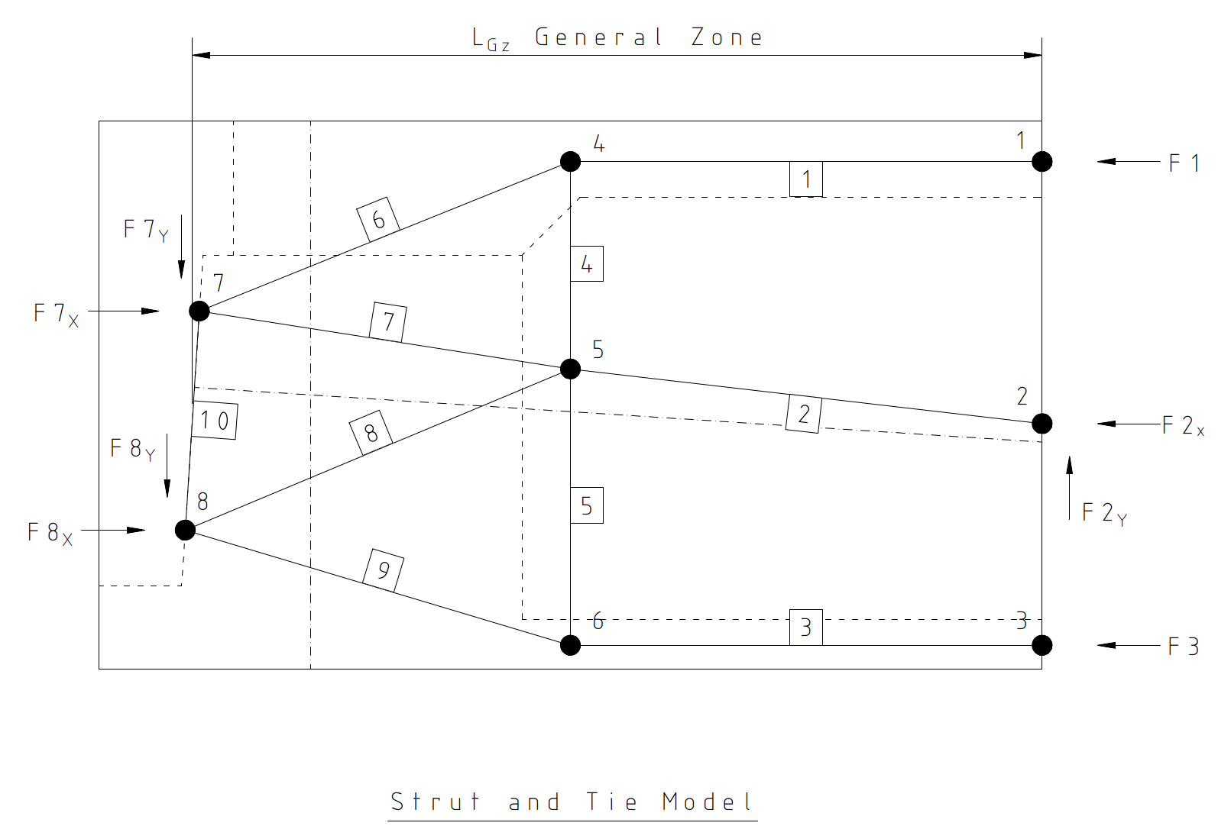
 |  |  |  |  | Joint 5
 |  |  |  |  |  |  |  |  |  |  |  |  | y-Coord = | 37.43 in

 |  |  |  | Due to unequal number of strands in each tendon, use the following assumed tendon center of gravity at the anchorage:

 |  |  |  |  |  |  |  |  |  |  |  |  | Tendon Center of Gravity Spacing, CGTen = | 18.00 in
 |  |  |  |  |  |  |  |  |  |  |  |  | Bottom Tendons Center of Gravity = | 9.18 in
 |  |  |  |  |  |  |  |  |  |  |  |  | Top Tendons Center of Gravity = | 8.82 in

 |  |  |  |  | Joint 7
 |  |  |  |  |  |  |  |  |  |  |  |  | y-Coord = | 42.60 in
 |  |  |  |  |  |  |  |  |  |  |  |  | x-Coord = | 0.52 in

 |  |  |  |  | Joint 8
 |  |  |  |  |  |  |  |  |  |  |  |  | y-Coord = | 24.63 in |  |  |  |  |  |  |  |  |  |  |  |  |  | Figure C.1-6: Strut-and-Tie Model Definition
 |  |  |  |  |  |  |  |  |  |  |  |  | x-Coord = | -0.54 in

 | 5.5 |  |  | Solve for Member Forces

 |  |  |  | Member 1 Member 3 carry the applied forces at the end of the anchorage zone. Member 3 has both a vertical and horizontal component.

 |  |  |  |  |  |  |  |  |  |  |  |  | F1 = | 2393 kips
 |  |  |  |  |  |  |  |  |  |  |  |  | F2 = | 5011 kips
 |  |  |  |  |  |  |  |  |  |  |  |  | F3 = | 3445 kips
 |  |  |  | The remainder of the member forces must be calculated by equating the sum of the node equal to zero in both the vertical and horizontal directions.

 |  |  |  |  |  |  |  | Θ6 = | 30.68° |  |  |  |  | Θ9 = | 32.85° |  |  |  |  |  |  | Px1 = | 5512 kips |  |  |  | Px2 = | 5296 kips |  |  |  |  |  | F2 = | 5011 kips
 |  |  |  |  |  |  |  | F6 = | 2783 kips |  |  |  |  | F9 = | 4101 kips |  |  |  |  |  |  | Py1 = | -325 kips |  |  |  | Py2 = | -312 kips |  |  |  |  |  | F4 = | -1420 kips
 |  |  |  |  |  |  |  | F4 = | -1420 kips |  |  |  |  | F5 = | -2225 kips |  |  |  |  |  |  | F6 = | 2783 kips |  |  |  | F9 = | 4101 kips |  |  |  |  |  | F5 = | -2225 kips
 |  |  |  |  |  |  |  |  |  |  |  |  |  |  |  |  |  |  |  |  |  | Θ6 = | 30.68° |  |  |  | Θ8 = | 20.88° |  |  |  |  |  | F7 = | 3232 kips
 |  |  |  |  |  |  |  |  |  |  |  |  |  |  |  |  |  |  |  |  |  | Θ7 = | 9.05° |  |  |  | Θ9 = | 32.85° |  |  |  |  |  | F8 = | 1903 kips
 |  |  |  |  |  |  |  |  |  |  |  |  |  |  |  |  |  |  |  |  |  | Θ10 = | 3.37° |  |  |  | Θ10 = | 3.37° |  |  |  |  |  | Θ2 = | 7.30°
 |  |  |  |  |  |  |  |  |  |  |  |  |  |  |  |  |  |  |  |  |  | F7 = | 3232 kips |  |  |  | F8 = | 1903 kips |  |  |  |  |  | Θ7 = | 9.05°
 |  |  |  |  |  |  |  |  |  |  |  |  |  |  |  |  |  |  |  |  |  | F10 = | 1238 kips |  |  |  | F10 = | 1237 kips |  |  |  |  |  | Θ8 = | 20.88°

 |  |  |  |  |  | Figure C.1-7: Member Force Calculations

 | 6 | Anchorage Zone Design

 |  | This section presents the design checks for the anchorage zone based on the member forces obtained from the strut‑and‑tie analysis. The anchorage zone must be detailed to safely resist the tensile and compressive forces generated by the dispersion of concentrated post‑tensioning forces into the surrounding concrete. Design is performed in accordance with AASHTO LRFD requirements for anchorage zones, using factored prestressing forces and appropriate resistance factors. The anchorage zone design consists of three primary components:

 |  | 1 |  | design of bursting reinforcement within the webs,
 |  | 2 |  | design of spalling reinforcement between adjacent anchorages, and
 |  | 3 |  | verification of concrete compressive stresses outside the local zone.
 |  | Bursting forces are generated by transverse tensile stresses that develop as the prestressing force spreads through the concrete. These forces are resisted by transverse reinforcement placed within the web and centered about the tension ties identified in the strut‑and‑tie model. The maximum tensile force in the relevant tie is selected as the governing demand, divided by the number of webs, and used to determine the required area of bursting reinforcement assuming yielding of the reinforcing steel. Spalling forces occur near the anchorage face due to localized stress concentrations and interaction between closely spaced anchorages. Where the strut‑and‑tie model does not explicitly capture these effects, the minimum spalling force requirements specified by AASHTO LRFD are applied. The required spalling reinforcement is proportioned to resist a prescribed fraction of the total factored prestressing force per web and is detailed near the anchorage face. Following reinforcement design, concrete compressive stresses are checked at critical locations beyond the local zone. Stresses at the local zone / general zone interface and at geometric discontinuities, such as the end of the diaphragm, are calculated assuming a conservative spreading of stresses at a 1:3 slope from the anchorage head. The resulting stresses are compared to allowable limits based on the initial concrete strength and applicable resistance factors.

 | 6.1 |  |  | Web Bursting Reinforcing

 |  |  |  |  |  |  |  |  |  |  |  |  | Res Factor for Tensile Rebar in Anchorage Zones, ϕt = | 1.00 |  |  |  |  |  |  |  |  |  |  |  |  |  |  |  |  |  |  |  |  |  |  |  |  |  | AASHTO 5.5.4.2
 |  |  |  |  |  |  |  |  |  |  |  |  | Steel Yield Strength, fy = | 60 ksi
 |  |  |  |  |  |  |  |  |  |  |  |  | Max vertical tensile force in Web = | 2225 kips
 |  |  |  |  |  |  |  |  |  |  |  |  | Vertical Tensile Force per Web = | 371 kips
 |  |  |  |  |  |  |  |  |  |  |  |  | stirrup size for bursting = | #6
 |  |  |  |  |  |  |  |  |  |  |  |  | Number of Bursting Stirrups, NB = | 7
 |  |  |  |  |  |  |  |  |  |  |  |  | Required Aera of Reinforcement, As.req = | 6.18 in²
 |  |  |  |  |  |  |  |  |  |  |  |  | Provided Aera of Reinforcement, As.prov = | 6.16 in²

 | 6.2 |  |  | Spalling Reinforcing

 |  |  |  |  |  |  |  |  |  |  |  |  | Spalling Force = | 36.1 k per web |  |  |  |  |  |  |  |  |  |  |  |  |  |  |  |  |  |  |  |  |  |  |  |  |  | AASHTO 5.9.5.6.5b
 |  |  |  |  |  |  |  |  |  |  |  |  | Reinforcing Size for Spalling, XS = | #5
 |  |  |  |  |  |  |  |  |  |  |  |  | Number of Spalling Bars, NS = | 2
 |  |  |  |  |  |  |  |  |  |  |  |  | Required Aera of Reinforcement, As.req = | 0.60 in²
 |  |  |  |  |  |  |  |  |  |  |  |  | Provided Aera of Reinforcement, As.prov = | 0.62 in²

 | 6.3 |  |  | Concrete Stresses

 |  |  |  | From the anchorage head to the interface with between the local and general zone, the stress is assumed to spread at a 1:3 angle.

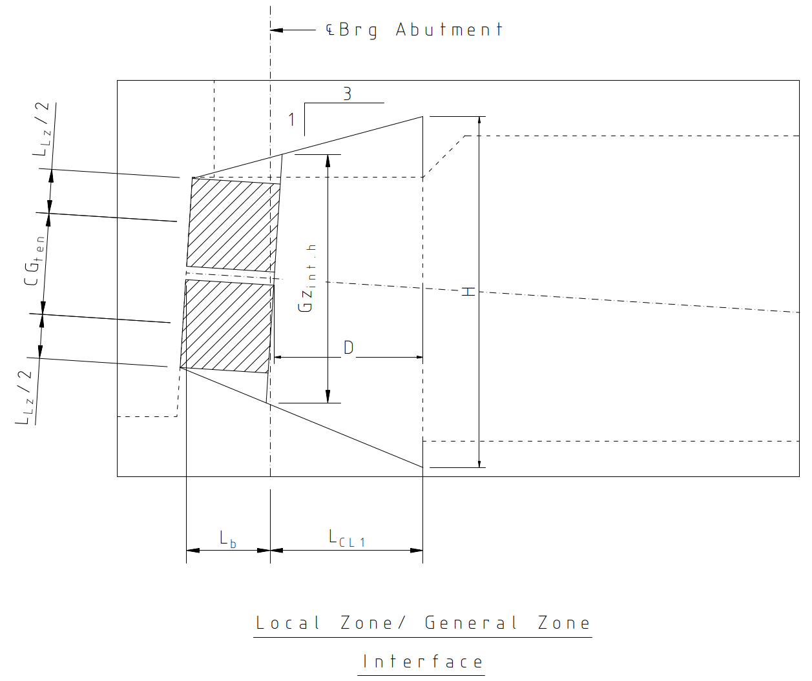
 |  |  |  |  |  |  |  |  |  |  |  |  | Local zone / General zone Interface Width = | 27.33 in
 |  |  |  |  |  |  |  |  |  |  |  |  | Local zone / General zone Interface Hight, hLZ = | 45.33 in |  |  |  |  |  |  |  |  |  |  |  |  |  |  |  |  |  |  |  |  |  |  |  |  |  | AASHTO 5.5.4.2
 |  |  |  |  |  |  |  |  |  |  |  |  | Concrete Stresses at the Local/General Zone, fci_L.G = | 1.46 ksi
 |  |  |  |  |  |  |  |  |  |  |  |  | Final Concrete Strength, f'ci = | 3.50 ksi
 |  |  |  |  |  |  |  |  |  |  |  |  | Res Factor for Concrete Comp in Anch Zone, ϕc = | 0.80
 |  |  |  |  |  |  |  |  |  |  |  |  | Allowable stress = | 1.96 ksi

 |  |  |  | The concrete must also be checked at the end of the diaphragm where the width of the spread is limited to the width of the web member. |  |  |  |  |  |  |  |  |  |  |  |  |  |  |  |  |  |  |  |  |  |  |  |  |  |  |  |  |  |  |  |  |  |  |  | Discontinuity

 |  |  |  |  |  |  |  |  |  |  |  |  | Distance between the Local Zone and the edge of Diaphragm, D = | 15.14 in
 |  |  |  |  |  |  |  |  |  |  |  |  | Height of spread stresses at the end of Diaphragm, H = | 55.43 in
 |  |  |  |  |  |  |  |  |  |  |  |  | Concrete Stresses at the End of Diaphragm, fci_ED = | 1.809 ksi |  |  | < | 1.960 ksi
 |  |  |  |  |  |  |  |  |  |  |  |  | Concrete Stress at End of Diaphragm Check = | OK |  |  |  |  |  |  |  |  |  |  |  |  |  |  | Figure C.1-8: Interface Between Local Zone and General Zone

 | 7 | Top Slab Design

 |  | The top slab within the anchorage zone must distribute the concentrated forces transferred from the webs into a uniform stress distribution across the full deck width. Due to the proximity to the anchorage device, this region is considered a disturbed region, and conventional beam theory is not applicable. Accordingly, the top slab is analyzed using a strut‑and‑tie modeling approach consistent with AASHTO LRFD provisions for anchorage zones. A strut‑and‑tie model is constructed with a first row of nodes located at the web–top slab interface at a specified distance from the anchorage and a second row of nodes located half a web spacing away, representing the location where stresses are assumed to be uniformly distributed at the end of the general zone. Concentrated forces equal to the top‑slab force divided by the number of webs are applied at the web nodes, while a uniformly distributed load is applied to represent force spreading across the slab width. Rather than performing a complete nodal equilibrium solution for the entire model, a simplified method is used to determine the critical tension tie forces. This method involves isolating free‑body diagrams at selected sections of the model, summing moments about chosen joints, and dividing by the distance between nodes to obtain the tensile forces in the slab ties. The resulting tension forces are grouped into distinct top slab design zones, corresponding to regions near the overhang and interior slab. Transverse reinforcement is then designed for each zone based on the governing tie force, assuming yielding of the reinforcing steel. The top slab design is considered satisfactory when the provided transverse reinforcement meets or exceeds the required area in all zones subjected to tension.

 | 7.1 |  |  | Concrete Stresses

 |  |  |  | The top slab must disperse the concentrated forces from the webs to the entire width of the slab. A strut-and-tie model (Figure C.1-9) is created with one set of nodes at the web top slab interface 33.00 inches from the anchors and the other set half the web spacing away. At the end of the general zone the stresses are uniformly distributed, with nodes placed between the webs and the edge of deck. The force applied at each web equals the force in the top slab divided by the number of webs. The uniform load equals the top slab force divided by the web width.

 |  |  |  |  |  |  |  |  |  |  |  |  | Force applied to each web, Pweb = | 398.8 kips
 |  |  |  |  |  |  |  |  |  |  |  |  | Uniform Load at Top Slab, U = | 4.42 k/in

 |  |  |  | The forces applied at the joints due to the uniformly distributed load on the top slab are equal to the uniform load multiplied by the contributing area. In this spreadsheet, a complete strut‑and‑tie model analysis is not performed. Instead, a simplified method is used to determine the tension tie forces by constructing free body diagrams, cutting a section, and taking moments. Then the resulting moment is divided by the distance between the nodes. Figures C.1-10 and C.1-11 show the free body diagrams used.

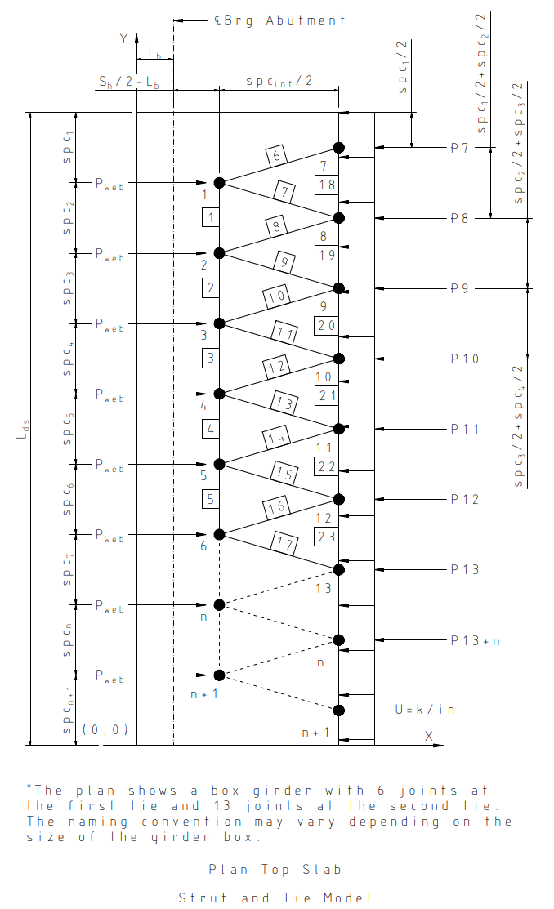
 |  |  |  |  |  |  |  |  |  |  |  |  |  |  |  |  |  |  |  |  |  |  |  |  |  | Design Note: The figure shows a strut-and-tie model constructed for the top slab of a bridge with 6 webs; the joint naming can be extended for bridges with additional webs.

 |  |  |  |  | Figure C.1-9: Strut-and-Tie Model for Top Slab

 |  |  |  | A free body diagram is created by cutting the model through members 1, 8, and 19. The forces are summed about Joint 8 to determine F1:
$$∑F_{Joint 8}: P_{web}\left(Y1−Y8\right)−P_{7}\left(Y7−Y8\right)+F_{1}d=0$$
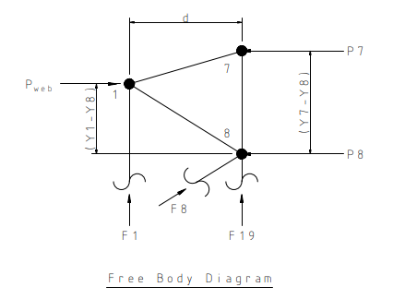

$$F_{1}=\frac{P_{7}\left(Y7−Y8\right)−P_{web}\left(Y1−Y8\right)}{d}$$

 |  |  |  | Next, a free body diagram is constructed by cutting the model through members 1, 7, and 18; forces are summed about Joint 7 to determine F18:
$$∑F_{Joint 7}: P_{7}\left(Y7−Y1\right)+F_{18}d=0$$

$$F_{18}=\frac{{−P}_{7}\left(Y7−Y1\right)}{d}$$

 |  |  |  |  |  |  |  |  |  |  |  |  |  |  |  |  |  |  |  |  |  |  |  |  |  |  |  |  |  |  |  |  | Figure C.1-10: Free Body Diagram for Summing Forces at Joint 8
 |  |  |  | The remaining forces are calculated in the table below using statics.

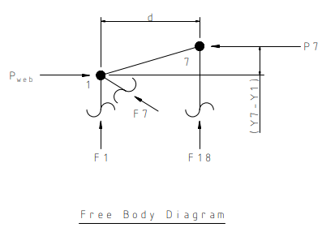
 |  |  |  |  | Table C.1-1: Forces in Ties
 |  |  |  |  | Joint |  | X-Coord (in.) | Y-Coord (in.) |  | Spacing (in.) | Joint | X-Coord (in.) |  | Y-Coord (in.) |  | Force No. |  | Force (kips) |  | Force No. | Sum F (First tie) (kips) |  |  | Force No. | Sum Forces (Second tie) (kips)

 |  |  |  |  | 1 |  | 33.00 | 504.00 |  | 38.00 | 7 | 79.50 |  | 523.00 |  | P7 |  | 167.78 |  | - | - |  |  | F18 | -68.6
 |  |  |  |  | 2 |  | 33.00 | 410.50 |  | 93.50 | 8 | 79.50 |  | 457.25 |  | P8 |  | 412.83 |  | F1 | -163.75 |  |  | F19 | -19.0
 |  |  |  |  | 3 |  | 33.00 | 317.50 |  | 93.00 | 9 | 79.50 |  | 364.00 |  | P9 |  | 410.62 |  | F2 | -198.10 |  |  | F20 | 4.6
 |  |  |  |  | 4 |  | 33.00 | 224.50 |  | 93.00 | 10 | 79.50 |  | 271.00 |  | P10 |  | 410.62 |  | F3 | -209.87 |  |  | F21 | 4.6
 |  |  |  |  | 5 |  | 33.00 | 131.50 |  | 93.00 | 11 | 79.50 |  | 178.00 |  | P11 |  | 410.62 |  | F4 | -198.10 |  |  | F22 | -19.0
 |  |  |  |  | 6 |  | 33.00 | 38.00 |  | 93.50 | 12 | 79.50 |  | 84.75 |  | P12 |  | 412.83 |  | F5 | -163.75 |  |  | F23 | -68.6
 |  |  |  |  |  |  |  |  |  | 38.00 | 13 | 79.50 |  | 19.00 |  | P13 |  | 167.78 |  |  |  |  |  |  |  |  |  |  |  | Figure C.1-11: Free Body Diagram for Summing Forces at Joint 7

 | 7.2 |  |  | Top Slab Transverse Reinforcement Requirements

 |  |  |  | The transverse reinforcement requirements in the slab overhang are sized to resist the forces developed in the first tensile tie as follows:

 |  |  |  |  |  |  |  |  |  |  |  |  | Top Slab Zone 1 Trans Rebar Size, XT1 = | #7
 |  |  |  |  |  |  |  |  |  |  |  |  | Number of Top Slab Zone 1 Trans Rebar, NT1 = | 6
 |  |  |  |  |  |  |  |  |  |  |  |  | Number of Bundle Bars, Nobun_Top_first = | 1
 |  |  |  |  |  |  |  |  |  |  |  |  | Required Aera of Reinforcement, As.req = | 3.50 in²
 |  |  |  |  |  |  |  |  |  |  |  |  | Provided Aera of Reinforcement, As.prov = | 3.60 in²

 |  |  |  | The transverse reinforcement requirements for the slab interior spans are sized to resist the forces developed in the second tensile tie as follows:

 |  |  |  |  |  |  |  |  |  |  |  |  | Top Slab Zone 2 Trans Rebar Size, XT2 = | #5
 |  |  |  |  |  |  |  |  |  |  |  |  | Number of Top Slab Zone 2 Trans Rebar, NT2 = | 4
 |  |  |  |  |  |  |  |  |  |  |  |  | Number of Bundle Bars, Nobun_Top_second = | 1
 |  |  |  |  |  |  |  |  |  |  |  |  | Required Aera of Reinforcement, As.req = | 1.14 in²
 |  |  |  |  |  |  |  |  |  |  |  |  | Provided Aera of Reinforcement, As.prov = | 1.24 in²

 | 8 | Bottom Slab Design

 |  | Similar to the top slab, the bottom slab must distribute concentrated forces from the webs into the surrounding slab while maintaining equilibrium and acceptable stress levels. A strut‑and‑tie model is used to evaluate force flow in the bottom slab anchorage region; however, the modeling assumptions differ due to geometric and structural considerations unique to the bottom slab. Because of the sloped exterior webs and the absence of a bottom cantilever, the assumption of a uniformly distributed bottom‑slab stress across the full width is not appropriate. Instead, a nonuniform force distribution is assumed in which forces carried by the exterior webs spread inward from the slab edge to a location midway between adjacent interior webs. Interior regions of the slab are assumed to carry a different uniform load consistent with tributary width assumptions. The strut‑and‑tie model includes nodes at the web–bottom slab interface near the anchorage and corresponding nodes at the end of the general zone. Concentrated forces are applied at the web nodes, and distributed loads representing the assumed slab force distribution are applied to the remaining nodes. As with the top slab analysis, simplified free‑body diagrams are used to determine the critical tension tie forces by enforcing moment equilibrium across selected sections of the model. Only regions of the bottom slab subjected to tensile forces are designed for transverse reinforcement; areas remaining in compression are not checked for reinforcement demand. The required transverse steel area is calculated based on the maximum tensile tie force, assuming yielding of the reinforcing steel. Reinforcement is detailed symmetrically about the controlling tie location to ensure adequate force transfer and crack control. The bottom slab design is considered acceptable when the provided transverse reinforcement exceeds the required area in all tension regions identified by the strut‑and‑tie analysis.

 | 8.1 |  |  | Concrete Stresses

 |  |  |  | The bottom slab must also disperse the concentrated forces from the webs to the slab. A strut-and-tie model (Figure C.1-12) is created with one set of nodes at the web bottom slab interface 33 inches from the anchors and the other set half the web spacing away. At the end of the general zone the stresses can be uniformly distributed with nodes placed between the webs and the edge of deck. For the bottom slab, the assumption of a uniformly distributed stress is not appropriate due to the sloping exterior web and the absence of a bottom cantilever. A more realistic assumption is that the forces carried by the two exterior webs are distributed from the slab edge up to a point located midway between the second and third webs. The total force in the bottom slab is therefore divided equally among the webs, making the force applied at each web the total bottom‑slab force divided by the number of webs. The forces applied at the remaining joints are determined by multiplying the uniform load by the corresponding tributary distance.

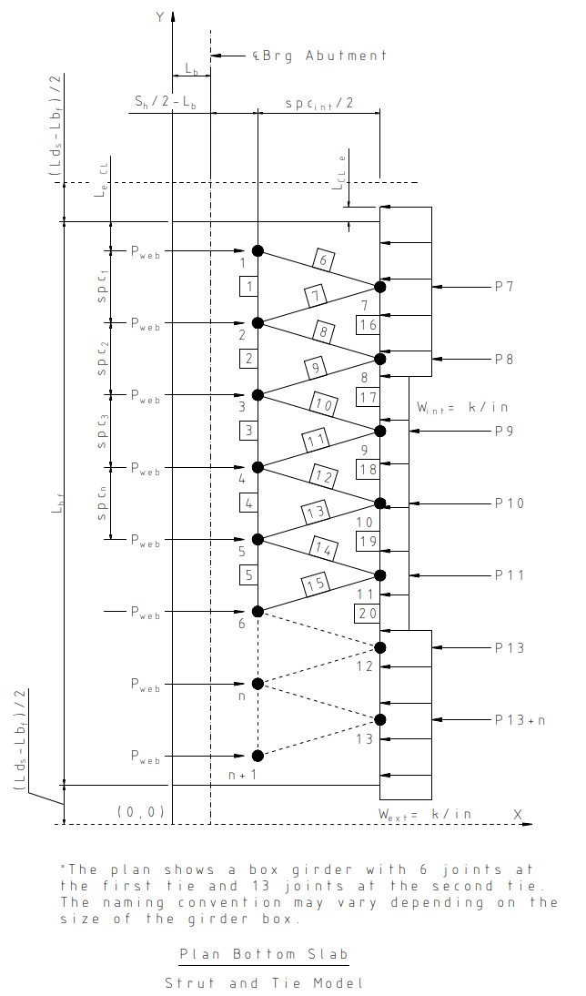
 |  |  |  |  |  |  |  |  |  |  |  |  |  |  |  |  |  |  |  |  |  |  |  |  |  | Design Note: The figure shows a strut-and-tie model constructed for the bottom slab of a bridge with 6 webs; the joint naming can be extended for bridges with additional webs.

 |  |  |  |  | Figure C.1-12: Strut-and-Tie Model for Bottom Slab

 |  |  |  | We begin calculating the forces in the bottom slab using the following parameters:

 |  |  |  |  |  |  |  |  |  |  |  |  | Force applied to each web, Pweb = | 574 kips
 |  |  |  |  |  |  |  |  |  |  |  |  | Exterior Width of Bottom Slab = | 126.2 in
 |  |  |  |  |  |  |  |  |  |  |  |  | Exterior Uniform Load at Bottom Slab, Wext = | 9.10 k/in
 |  |  |  |  |  |  |  |  |  |  |  |  | Interior Uniform Load at Bottom Slab, Wint = | 6.17 k/in
 |  |  |  |  |  |  |  |  |  |  |  |  | Exterior Web Thickness, Hw_ext = | 16.08 in
 |  |  |  |  |  |  |  |  |  |  |  |  | Dist. from Edge of Bot. Slab to CL of Ext. Web, Le_CL = | 7.46 in
 |  |  |  |  |  |  |  |  |  |  |  |  | Dist. from CL of Edge of Bot. Slab to End of Slab, LCL_e = | 1.20 in
 |  |  |  |  |  |  |  |  |  |  |  |  | Half of Ext. Web Width Taken Parallel to Slab, Wew/2 = | 8.66 in

 |  |  |  | To maintain equilibrium the first interior joint must be located at the center of gravity of the assumed load.

$$H=\frac{{−(W}_{ext}∙{0.5spc}_{int}∙0.75L_{Gz}+W_{int}∙{0.5spc}_{int}∙0.25L_{Gz})}{P_{8}}$$

 |  |  |  |  |  |  |  |  |  |  |  |  | Height of C. G of Assumed Load, Hl = | 50.95 in

 |  |  |  | The calculations for the y‑coordinates of the two exterior webs is non-standard; the location is calculated as follows:

$$y_{ext.1.1}=L_{ds}−{0.5(L}_{ds}−L_{bf})+L_{CL.e}−0.5({spc}_{1}+L_{e.CL}+L_{CL.e})$$
 |  |  |  |  |  | y- Coordinate, exterior joint on second tie:

$$y_{ext.1.2}={0.5(L}_{ds}−L_{bf})−L_{CL.e}+0.5({spc}_{1}+L_{e.CL}+L_{CL.e})$$
 |  |  |  |  |  | y- Coordinate, exterior joint on second tie:

$$y_{ext.2.1}=L_{ds}−{0.5(L}_{ds}−L_{bf})−L_{e.CL}−{spc}_{1}−{spc}_{2}+H$$
 |  |  |  |  |  | y- Coordinate, joint after exterior one on second tie:

$$y_{ext.2.2}=L_{ds}−{0.5(L}_{ds}−L_{bf})−L_{e.CL}−{spc}_{1}−{spc}_{2}−{{spc}_{n}}^{∗}−H$$
 |  |  |  |  |  | y- Coordinate, joint after exterior one on second tie:

 |  |  |  |  |  | Note: To determine the second‑to‑last joint, spcn*, the value must be obtained by subtracting the spacing count excluding the last two intervals.

 |  |  |  | Similarly to the analysis of the top slab, a full strut‑and‑tie analysis is not carried out. In the subsequent calculations, a simplified method is used. A free body diagram is created by cutting the model through members 1, 7, and 16. The forces are summed about Joint 7 to determine F1:

$$∑F_{Joint 7}: P_{web}\left(Y1−Y7\right)+F_{1}d=0$$
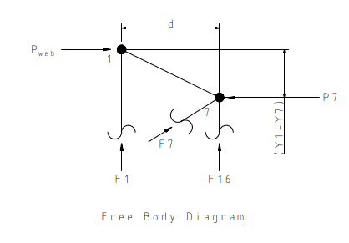

$$F_{1}=\frac{−P_{web}\left(Y1−Y7\right)}{d}$$

 |  |  |  | Next, a free body diagram is constructed by cutting the model through members 2, 8, and 16; forces are summed about Joint 2 to determine F16:
$$∑F_{Joint 2}: {−P}_{web}\left(Y1−Y2\right)−P_{7}\left(Y7−Y2\right)+F_{16}d=0$$

$$F_{16}=\frac{P_{web}\left(Y1−Y2\right)+P_{7}\left(Y7−Y2\right)}{d}$$
 |  |  |  |  |  |  |  |  |  |  |  |  |  |  |  |  |  |  |  |  |  |  |  |  |  |  |  |  |  |  |  |  | Figure C.1-10: Free Body Diagram for Summing Forces at Joint 8

 |  |  |  | The remaining forces are calculated in the table below using statics.

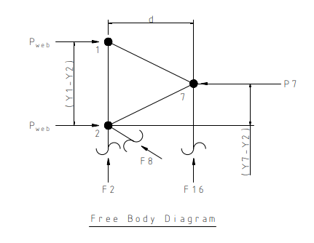
 |  |  |  |  | Joint |  | X-Coord [in.] | Y-Coord [in.] |  | Spacing [in.] | Joint | X-Coord [in.] |  | Y-Coord [in.] |  | Force No. |  | Force [kips] |  | Force No. | Sum F (First tie) [kips] |  |  | Force No. | Sum Forces (Second tie) [kips]

 |  |  |  |  | 1 |  | 33.00 | 481.54 |  | 7.46 | 7 | 79.50 |  | 450.35 |  | P7 |  | -725.30 |  | F1 | -385.18 |  |  | - | -
 |  |  |  |  | 2 |  | 33.00 | 410.50 |  | 71.04 | 8 | 79.50 |  | 368.45 |  | P8 |  | -710.29 |  | F2 | -638.36 |  |  | F16 | 255.717
 |  |  |  |  | 3 |  | 33.00 | 317.50 |  | 93.00 | 9 | 79.50 |  | 271.00 |  | P9 |  | 574.24 |  | F3 | -610.86 |  |  | F17 | 323.744
 |  |  |  |  | 4 |  | 33.00 | 224.50 |  | 93.00 | 10 | 79.50 |  | 173.55 |  | P10 |  | -710.29
 |  |  |  |  | 5 |  | 33.00 | 131.50 |  | 93.00 | 11 | 79.50 |  | 91.65 |  | P11 |  | -725.30
 |  |  |  |  | 6 |  | 33.00 | 60.46 |  | 71.04
 |  |  |  |  |  |  |  |  |  | 7.46 |  |  |  |  |  |  |  |  |  |  |  |  |  |  |  |  |  |  |  | Figure C.1-11: Free Body Diagram for Summing Forces at Joint 7

 | 8.2 |  |  | Bottom Slab Transverse Reinforcement Requirements

 |  |  |  | Only the first tie is subjected to tension forces. The required reinforcement is calculated only for zones in tension, the regions where compression occurs are not checked. The required transverse steel in the bottom slab is as follows:

 |  |  |  |  |  |  |  |  |  |  |  |  | Bottom Slab Zone 1 Trans Rebar Size, XB1 = | #9
 |  |  |  |  |  |  |  |  |  |  |  |  | Number of Bottom Slab Zone 1 Trans Rebar, NB1 = | 6
 |  |  |  |  |  |  |  |  |  |  |  |  | Number of Bundle Bars, Nobun_Bott = | 2
 |  |  |  |  |  |  |  |  |  |  |  |  | Required Aera of Reinforcement, As.req = | 10.64 in²
 |  |  |  |  |  |  |  |  |  |  |  |  | Provided Aera of Reinforcement, As.prov = | 12.00 in²

